Internet
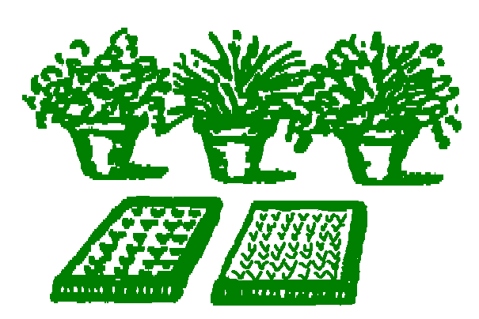
 |  |  | Brooklands
 |  |  | Nurseries

 |  |  | Linda 07548 641931
 |  |  | Nick 07851 512505
 |  |  | brooklandsnurseries@btconnect.com

 |  |  | Newstead Abbey Park
 |  |  | Ravenshead
 |  |  | Nottingham
Your Details |  |  | NG15 8GD

Company
Contact
Telephone

Availability List 19/04/26

Quantity | Perennials | All 2L
 | Ajuga Braunhertz
 | Aster Lady in Blue
 | Aster Prof. Anton Kippenberg
 | Centranthus Alba
 | Geranium Dusky Rose
 | Linaria purpurea Canon J. Went
 | Lupinus Chandelier | 3L
 | Lupinus Noble Maiden | 3L
 | Lupinus The Chatelaine | 3L
 | Lupinus The Governor | 3L
 | Lupinus The Pages | 3L
 | Persicaria amp. Blackfield
 | Persicaria amp. Lisan
 | Persicaria amp. Speciosa
 | Persicaria runcinata Purple Fantasy
 | Rudbeckia fulgida deamii
 | Salvia Black and Blue
 | Verbascum Southern Charm
 | Verbascum Wedding Candles

Quantity | Shrubs | Size
 | Aucuba Golden Girl | 3L
 | Berberis darwinii compacta | 2L
 | Berberis Harlequin | 2L
 | Buddleia Black Knight | 3L
 | Buddleia Lochinch | 3L
 | Buddleia Royal Red | 3L
 | Buddleia White Profusion | 3L
 | Callistemon laevis | 2L
 | Ceanothus Concha | 3L Budded
 | Ceanothus Dark Star | 3L Budded
 | Ceanothus Italian Skies | 3L
 | Ceanothus Millerton Point | 3L
 | Ceanothus Pugets Blue | 3L Budded
 | Ceanothus Skylark | 3L
 | Ceanothus thy. Repens | 3L Budded
 | Cistus purpureus | 3L
 | Cistus Sunset | 3L
 | Cordyline australis | 3L
 | Deutzia Mont Rose | 3L Budded
 | Deutzia Pink Pom Pom | 3L
 | Deutzia Strawberry Fields | 3L
 | Euonymus Emerald Gaiety | 2L
 | Euonymus Emerald and Gold | 2L
 | Euonymus Silver Queen | 2L
 | Fuchsia Deltas Sarah | 2L
 | Griselinia littoralis | 2L
 | Halimiocistus sahucii | 2L Budded
 | Halimium libanotis | 2L
 | Hebe Champion | 2L
 | Hebe Green Globe | 2L
 | Hebe Wiri Cloud | 2L
 | Hebe Wiri Mist | 2L
 | Hypericum Hidcote | 2L
 | Ilex Argentea Marginata | 3L
 | Ilex Gold King | 3L
 | Laurus nobilis | 2L
 | Lavatera Barnsley | 3L
 | Lavatera olbia Rosea | 3L
 | Philadelphus Belle Etoile | 3L
 | Philadelphus cor. Aureus | 3L
 | Philadelphus lemoinei Erectus | 3L
 | Philadelphus Virginal | 3L
 | Phormium Evening Glow | 2L
 | Phormium Gold Sword | 2L
 | Phormium Rainbow Queen | 2L
 | Phormium Yellow Wave | 2L
 | Physocarpus Diablo | 3L
 | Physocarpus Lady in Red | 3L
 | Pieris Forest Flame | 2L
 | Pieris Flaming Silver | 2L
 | Pieris Mountain Fire | 2L
 | Pieris Passion | 2L
 | Potentilla Abbotswood | 2L
 | Prostranthera rotundifolia | 2L
 | Prunus lauro. Rotundifolia | 2L
 | Sambucus Black Lace | 3L
 | Sorbaria Sem | 3L
 | Spiraea Shirobana | 2L
 | Spiraea Snowmound | 3L
 | Viburnum bod. Dawn | 2L
 | Viburnum plicatum Mariesii | 2L
 | Viburnum tinus | 2L
 | Viburnum tinus Eve Price | 2L
 | Viburnum tinus Gwenllian | 2L
 | Viburnum tinus Purpureum | 2L

